pivot table
Sum of Sales |  | Average of Sales |  | Count of Order ID
2293184.2883 |  | 230.19316285 |  | 9962

Sum of Profit | Sum of Sales | Average of Profit Margin | Sum of Field1
285545.5505 | 2293184.2883 | 12.451923378 | 12.452 |  |  |  | Row Labels | Sum of Sales
 |  |  |  |  |  |  | Central | $500,806
 | Sum of Sales | Sum of Profit |  |  |  |  | East | $677,370
 | 2293184.2883 | 285545.5505 |  | zss | Sum of Profit |  | South | $391,362
 |  |  |  | 2293184.2883 | 285545.5505 |  | West | $723,646
 |  |  |  |  |  |  | Grand Total | $2,293,184

Sales by Customer Segment
 | Row Labels | Sum of Sales | Sum of Profit
 | Central | 500805.9568 | 39684.0886 |  |  | Row Labels | Sum of Sales
 | East | 677370.486 | 91156.5786 |  |  | Consumer | 1,151,583
 | South | 391361.875 | 46658.3239 |  |  | Corporate | 701,068
 | West | 723645.9705 | 108046.5594 |  |  | Home Office | 440,533
 | Grand Total | 2293184.2883 | 285545.5505 |  |  | Grand Total | 2,293,184

 | Product Name | Profit
 | Canon imageCLASS 2200 Advanced Copier | 25199
 | Fellowes PB500 Electric Punch Plastic Comb Binding Machine with Manual Bind | 7753
 | Hewlett Packard LaserJet 3310 Copier | 6983
 | Canon PC1060 Personal Laser Copier | 4570
 | HP Designjet T520 Inkjet Large Format Printer - 24" Color | 4094

Loss Making Products
 | Profit
Cubify CubeX 3D Printer Double Head Print | -8880
Lexmark MX611dhe Monochrome Laser Printer | -4590
Cubify CubeX 3D Printer Triple Head Print | -3840
Chromcraft Bull-Nose Wood Oval Conference Tables & Bases | -2876
Bush Advantage Collection Racetrack Conference Table | -1934

Top Loss Products
Product Name | Profit
Cubify CubeX 3D Printer Double Head Print | -8880
Lexmark MX611dhe Monochrome Laser Printer | -4590
Cubify CubeX 3D Printer Triple Head Print | -3840
Chromcraft Bull-Nose Wood Oval Conference Tables & Bases | -2876
Bush Advantage Collection Racetrack Conference Table | -1934

Loss Making Products
 | Profit
Canon imageCLASS 2200 Advanced Copier | 25199
Fellowes PB500 Electric Punch Plastic Comb Binding Machine with Manual Bind | 7753
Hewlett Packard LaserJet 3310 Copier | 6984
Canon PC1060 Personal Laser Copier | 4571
HP Designjet T520 Inkjet Large Format Printer - 24" Color | 4095

Profitable products
Product Name | Profit
Canon imageCLASS 2200 Advanced Copier | 25199
Fellowes PB500 Electric Punch Plastic Comb Binding Machine with Manual Bind | 7753
Hewlett Packard LaserJet 3310 Copier | 6984
Canon PC1060 Personal Laser Copier | 4571
HP Designjet T520 Inkjet Large Format Printer - 24" Color | 4095

Visualization
Total Orders | Average Sales | Average Quantity | Total Sales | Average Profit Margin
9962 | $230.19 | 3.8 | $2,293,184 | 12%
Profitable Products
 | Profit
Canon imageCLASS 2200 Advanced Copier | 25199
Fellowes PB500 Electric Punch Plastic Comb Binding Machine with Manual Bind | 7753
Hewlett Packard LaserJet 3310 Copier | 6984
Canon PC1060 Personal Laser Copier | 4571
HP Designjet T520 Inkjet Large Format Printer - 24" Color | 4095
Sales by Customer Segment
 | Total
Consumer | 1,151,583
Corporate | 701,068
Home Office | 440,533
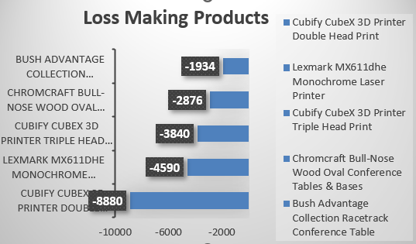

Total Sales by Category
 | Total
Furniture | 740064.1493
Office Supplies | 717923.156
Technology | 835196.983
Total Sales by Region
 | Total
Central | $500,806
East | $677,370
South | $391,362
West | $723,646
Sales vs Profit by Region
 | Sum of Sales | Sum of Profit
Central | 500805.9568 | 39684.0886
East | 677370.486 | 91156.5786
South | 391361.875 | 46658.3239
West | 723645.9705 | 108046.5594

